Coverpage
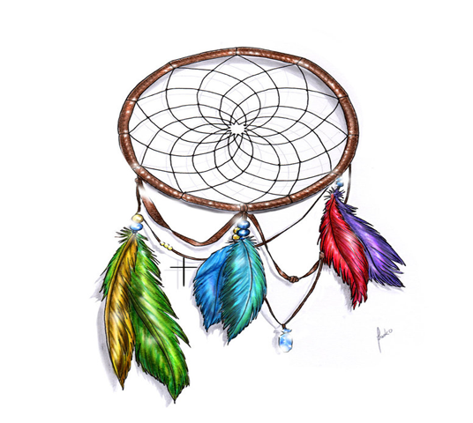

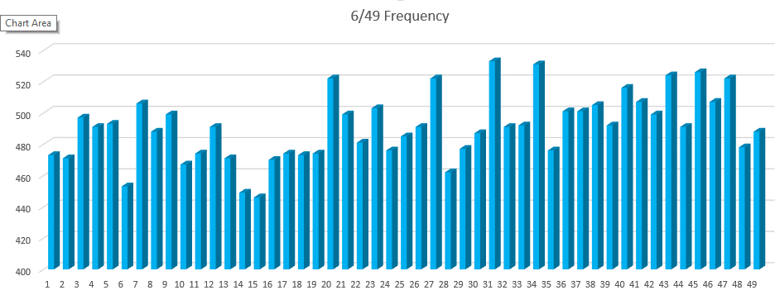

STATISTIC Pro
GENERATOR

DREAMCATCHER

Toto 7/49 Statistic Programmed By Remy Lim 2017 Jan Ver 3.1

Frequency
6/49 Frequency
3437 | 100%
Numbers | Overall | Freq N | Freq S | 1 Month | 3 Month | 6 Month | 9 Month | 12 Month
1 | 473 | 406 | 67 | 3 | 4 | 7 | 12 | 19
2 | 471 | 417 | 54 | 1 | 4 | 8 | 13 | 18
3 | 497 | 418 | 79 | 2 | 7 | 13 | 17 | 23
4 | 491 | 432 | 59 |  | 4 | 14 | 21 | 27
5 | 494 | 404 | 90 | 3 | 6 | 9 | 17 | 23
6 | 453 | 401 | 52 | 2 | 10 | 18 | 22 | 25
7 | 506 | 435 | 71 |  | 4 | 11 | 19 | 24
8 | 489 | 418 | 71 | 2 | 5 | 12 | 17 | 27
9 | 499 | 420 | 79 | 1 | 6 | 9 | 18 | 24
10 | 468 | 400 | 68 | 3 | 4 | 9 | 15 | 21
11 | 474 | 391 | 83 | 1 | 4 | 8 | 12 | 15
12 | 491 | 420 | 71 |  | 2 | 5 | 11 | 19
13 | 471 | 397 | 74 | 1 | 5 | 7 | 13 | 20
14 | 449 | 382 | 67 | 1 | 4 | 8 | 12 | 17
15 | 446 | 396 | 50 | 3 | 5 | 11 | 15 | 21
16 | 470 | 398 | 72 | 2 | 4 | 10 | 16 | 20
17 | 475 | 411 | 64 | 1 | 5 | 11 | 14 | 18
18 | 473 | 395 | 78 | 2 | 5 | 10 | 16 | 17
19 | 474 | 415 | 59 | 2 | 5 | 8 | 13 | 15
20 | 523 | 460 | 63 | 3 | 4 | 8 | 18 | 26
21 | 499 | 417 | 82 |  | 7 | 12 | 21 | 29
22 | 482 | 409 | 73 | 2 | 6 | 13 | 17 | 23
23 | 504 | 430 | 74 | 4 | 6 | 14 | 19 | 24
24 | 477 | 408 | 69 | 2 | 7 | 11 | 12 | 17
25 | 485 | 401 | 84 |  | 4 | 11 | 17 | 20
26 | 491 | 419 | 72 | 2 | 7 | 13 | 15 | 22
27 | 522 | 446 | 76 | 5 | 9 | 11 | 20 | 27
28 | 463 | 392 | 71 | 2 | 5 | 9 | 15 | 22
29 | 477 | 420 | 57 |  | 3 | 9 | 18 | 27
30 | 487 | 416 | 71 | 4 | 7 | 13 | 21 | 26
31 | 533 | 466 | 67 |  | 8 | 12 | 19 | 25
32 | 491 | 427 | 64 | 2 | 5 | 10 | 14 | 20
33 | 493 | 425 | 68 | 2 | 9 | 14 | 19 | 23
34 | 531 | 459 | 72 | 3 | 4 | 7 | 16 | 21
35 | 477 | 416 | 61 | 2 | 3 | 7 | 14 | 20
36 | 502 | 421 | 81 | 2 | 4 | 12 | 17 | 23
37 | 501 | 420 | 81 | 2 | 7 | 11 | 21 | 28
38 | 505 | 437 | 68 | 2 | 6 | 14 | 24 | 30
39 | 492 | 414 | 78 | 1 | 8 | 16 | 23 | 28
40 | 517 | 458 | 59 | 5 | 7 | 12 | 16 | 19
41 | 507 | 429 | 78 | 3 | 6 | 11 | 18 | 20
42 | 500 | 421 | 79 | 3 | 11 | 17 | 22 | 29
43 | 524 | 453 | 71 | 1 | 3 | 11 | 17 | 20
44 | 491 | 425 | 66 | 1 | 4 | 11 | 19 | 25
45 | 526 | 459 | 67 |  | 4 | 7 | 13 | 16
46 | 507 | 442 | 65 |  | 3 | 7 | 12 | 16
47 | 522 | 445 | 77 | 3 | 9 | 19 | 26 | 26
48 | 478 | 410 | 68 | 3 | 7 | 11 | 16 | 28
49 | 488 | 421 | 67 | 2 | 7 | 11 | 14 | 19

